Grafici TIPO 1
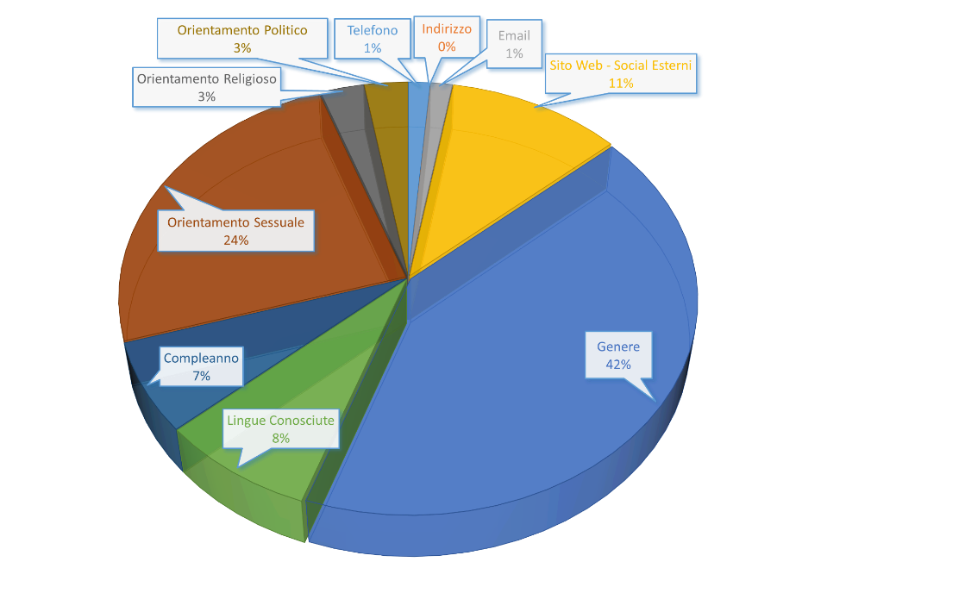
Totale Utenti Trovati | 53
LinkedIn | 22 | Linkedin |  | Facebook |  | Instagram
Cellulare | 0 | Attributi | Campi | Attributi | Campi | Attributi | Campi
Sito Web | 1 | Cellulare | 0 | Impiego e Formazione | 28 | Biografia | 18
Email | 0 | Sito Web | 1 | Luoghi in cui ha vissuto | 22 | Sito Personale | 9
Compleanno | 1 | Email | 0 | Info di Base e di Contatto | 31
Città | 22 | Compleanno | 1 | Famiglia e Relazioni | 21
Impiego | 22 | Città | 22 | Altre info | 0
Indirizzo | 0 | Impiego | 22
Messaggistica | 0 | Indirizzo | 0 | Facebook
Biografia | 7 | Messaggistica | 0 | Info di Base e di Contatto
Formazione | 8 | Biografia | 7 | Attributi | Campi
Esperienze | 7 | Formazione | 8 | Telefono | 1
Facebook | 36 | Esperienze | 7 | Indirizzo | 0
Work_and_Education | 28 |  |  | Email | 1
Placed_Lives | 22 |  |  | Sito Web - Social Esterni | 8
Contact and Basic info | 31 |  |  | Genere | 31
Family_Relationships | 21 |  |  | Lingue Conosciute | 6
Detail_about | 0 |  |  | Compleanno | 5
Instagram | 30 |  |  | Orientamento Sessuale | 18
Biografi_Instagram | 18 |  |  | Orientamento Religioso | 2
Sito_Personale_Instagram | 9 |  |  | Orientamento Politico | 2

Informazioni Recuperate Grafico |  |  |  |  | Informazioni Recuperate Grafico - Linkedin
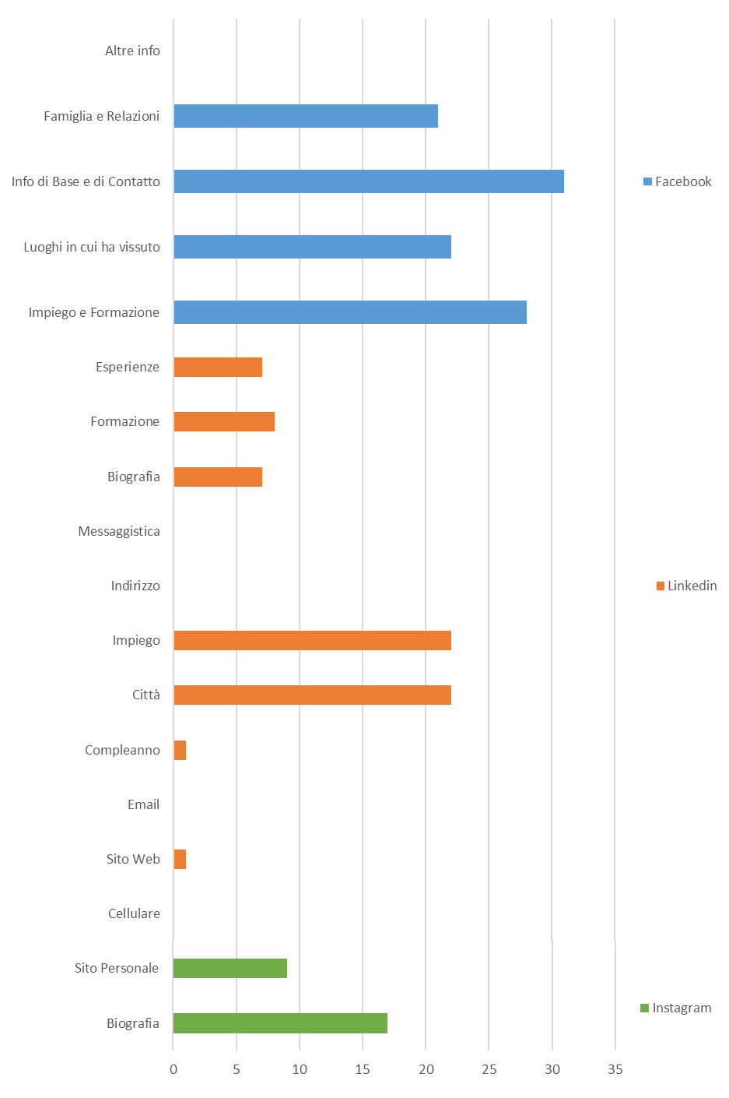
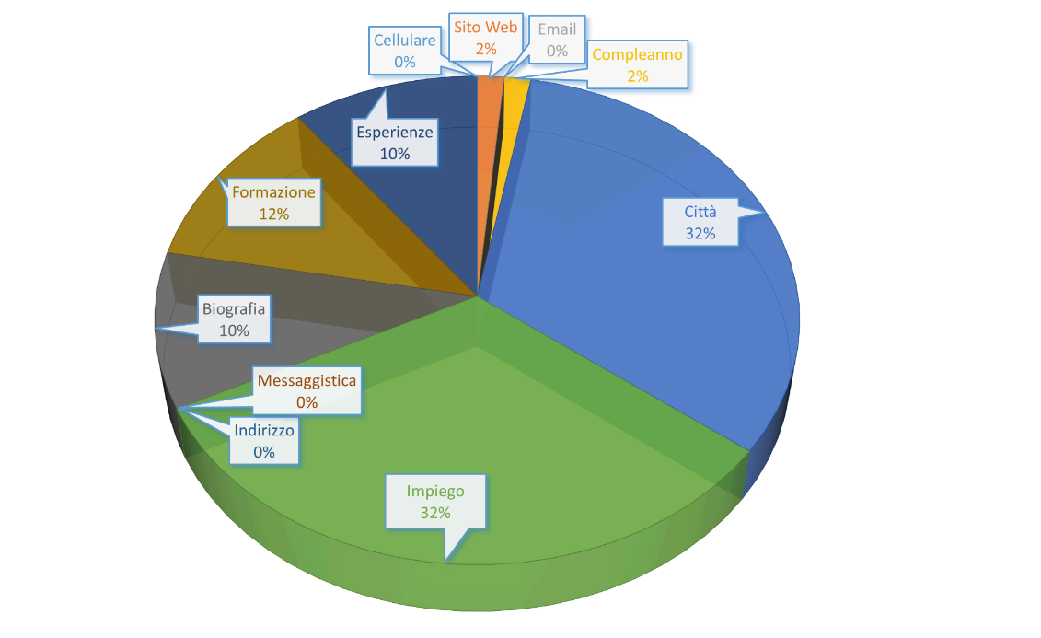

 |  |  |  |  | Informazioni Recuperate Grafico - Facebook

Grafici TIPO 2
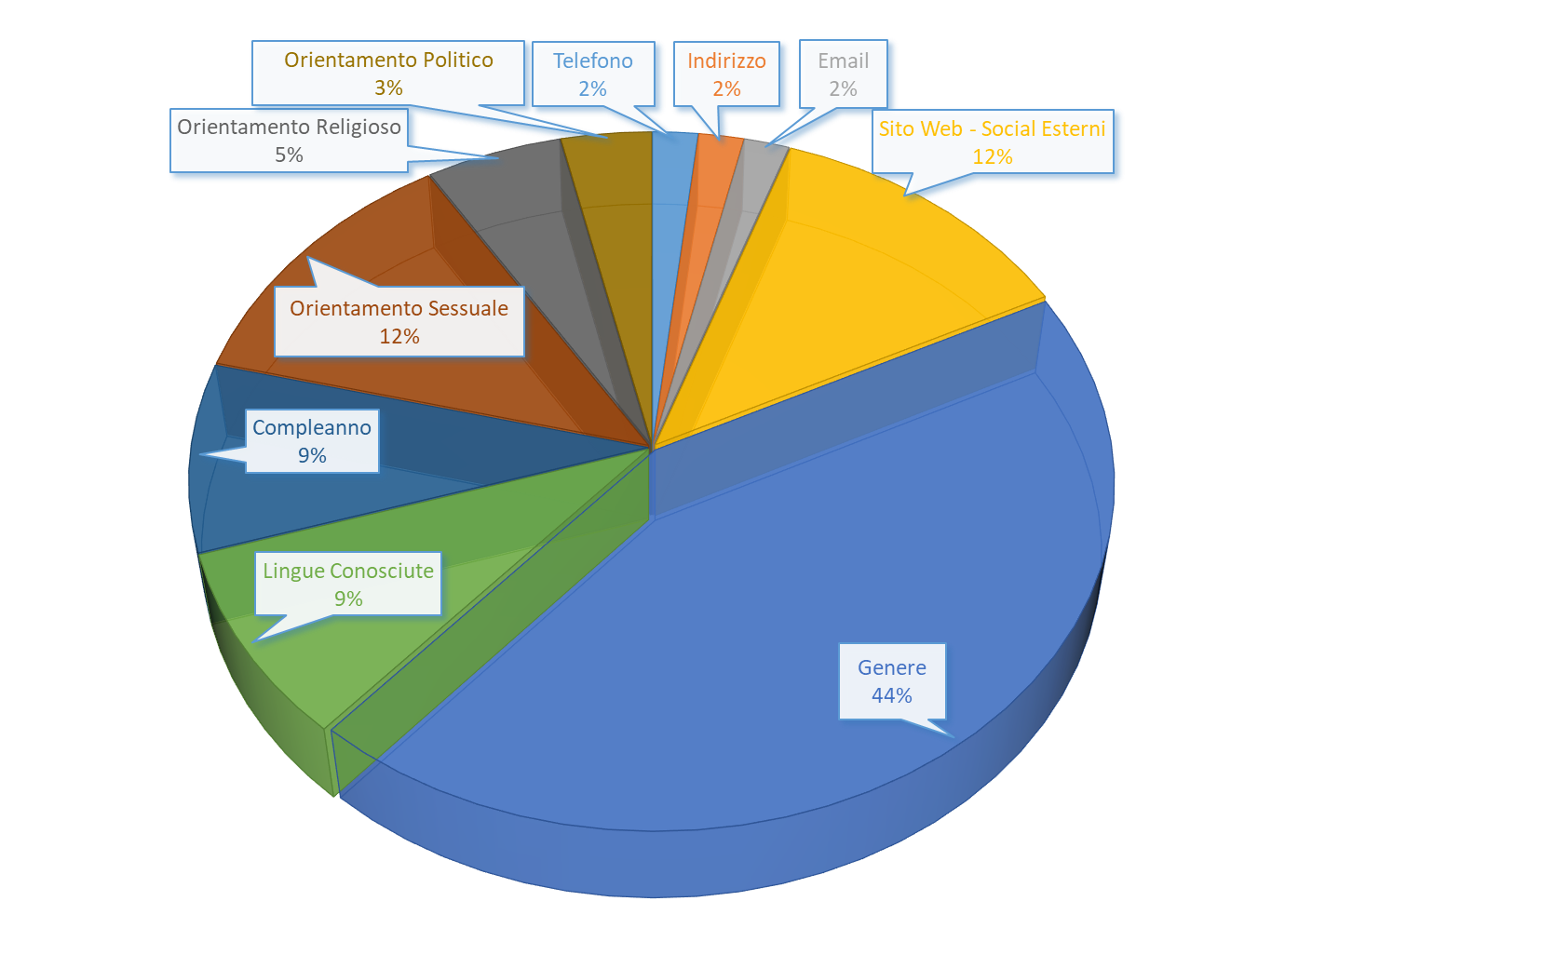
Totale Utenti Trovati | 48
LinkedIn | 25 | Linkedin |  | Facebook |  | Instagram
Cellulare | 0 | Attributi | Campi | Attributi | Campi | Attributi | Campi
Sito Web | 2 | Cellulare | 0 | Impiego e Formazione | 25 | Biografia | 16
Email | 1 | Sito Web | 2 | Luoghi in cui ha vissuto | 16 | Sito Personale | 6
Compleanno | 1 | Email | 1 | Info di Base e di Contatto | 27
Città | 23 | Compleanno | 1 | Famiglia e Relazioni | 20
Impiego | 23 | Città | 23 | Altre info | 0
Indirizzo | 0 | Impiego | 23
Messaggistica | 0 | Indirizzo | 0 | Facebook
Biografia | 6 | Messaggistica | 0 | Info di Base e di Contatto
Formazione | 6 | Biografia | 6 | Attributi | Campi
Esperienze | 5 | Formazione | 6 | Telefono | 1
Facebook | 35 | Esperienze | 5 | Indirizzo | 1
Work_and_Education | 25 |  |  | Email | 1
Placed_Lives | 16 |  |  | Sito Web - Social Esterni | 7
Contact and Basic info | 27 |  |  | Genere | 25
Family_Relationships | 20 |  |  | Lingue Conosciute | 5
Detail_about | 0 |  |  | Compleanno | 5
Instagram | 25 |  |  | Orientamento Sessuale | 7
Biografi_Instagram | 16 |  |  | Orientamento Religioso | 3
Sito_Personale_Instagram | 6 |  |  | Orientamento Politico | 2

Informazioni Recuperate Grafico |  |  |  |  | Informazioni Recuperate Grafico - Linkedin
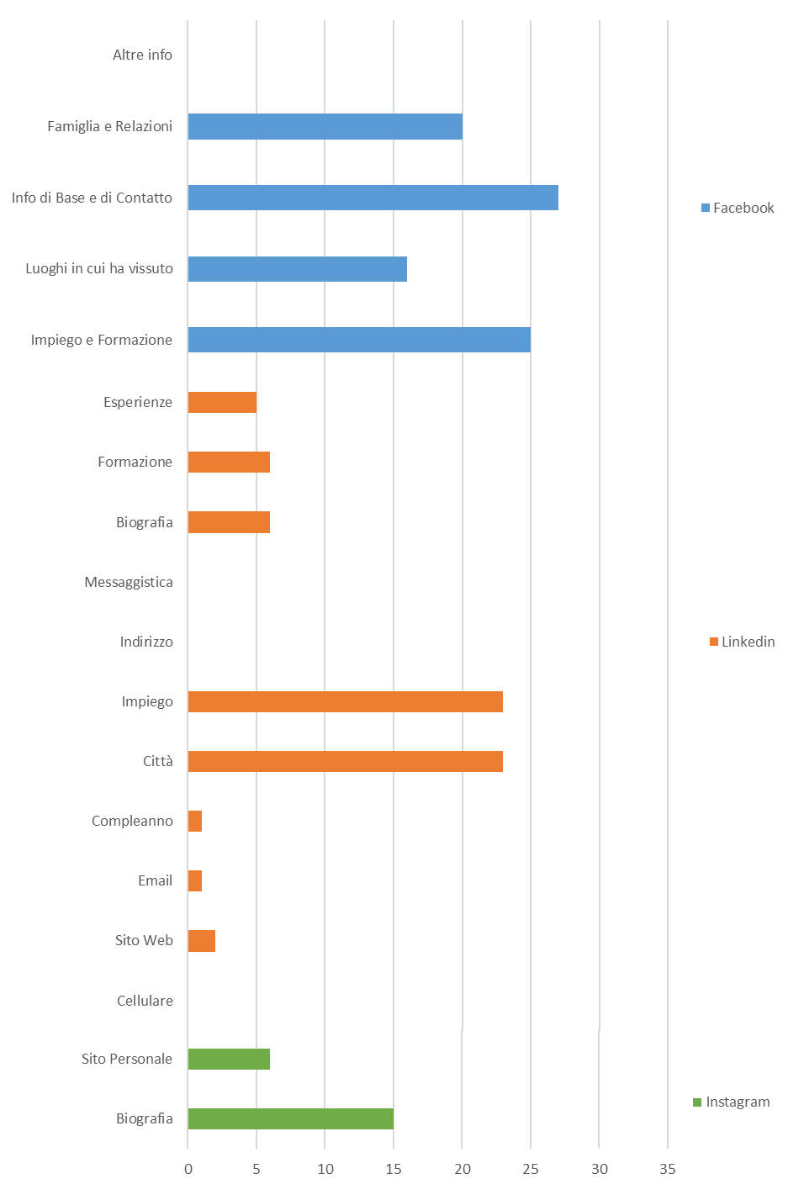
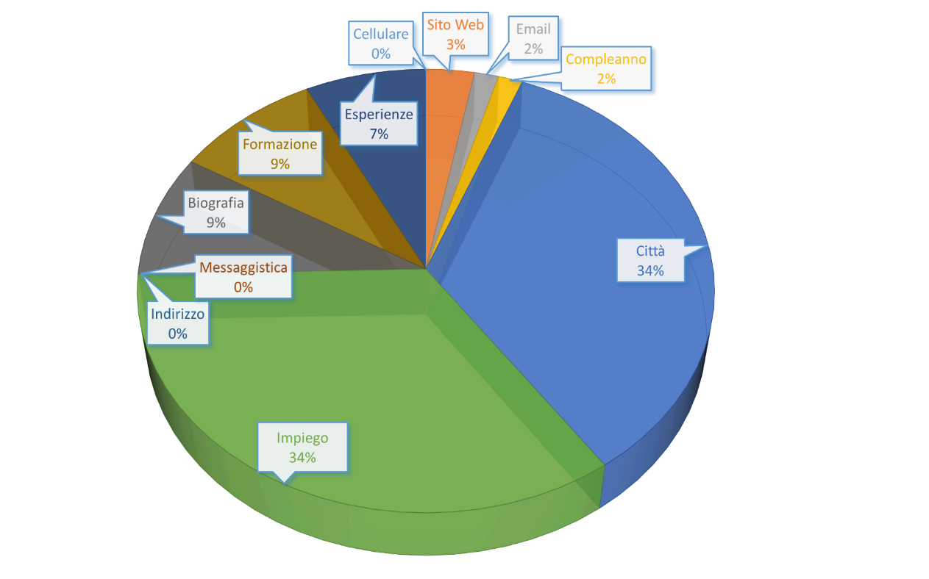

 |  |  |  |  | Informazioni Recuperate Grafico - Facebook

